SET UP TRADING PARTNERS IN M3
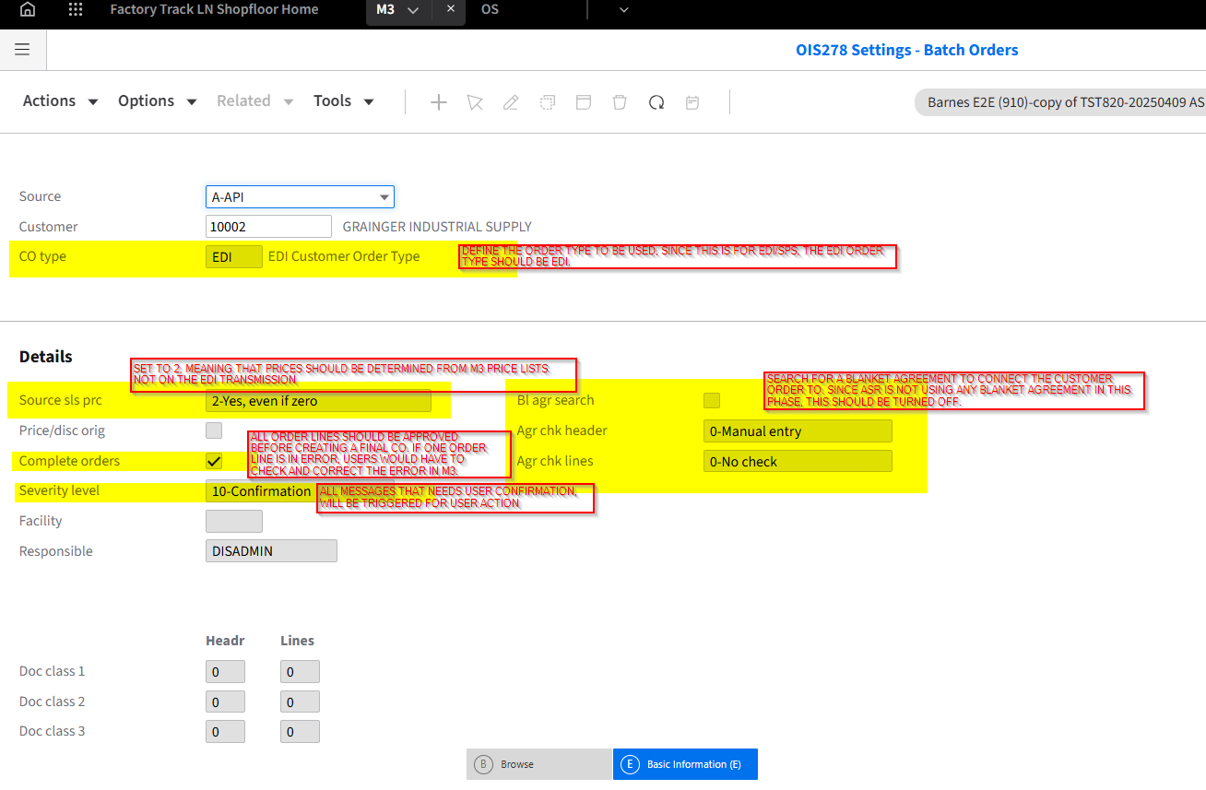
1. THE SET UP FOR NEW EDI/SPS TRADING PARTNERS/CUSTOMERS IN M3 STARTS IN OIS278
2. TO GO TO OIS278, HIT CTRL+R IN M3 AND TYPE IN OIS278
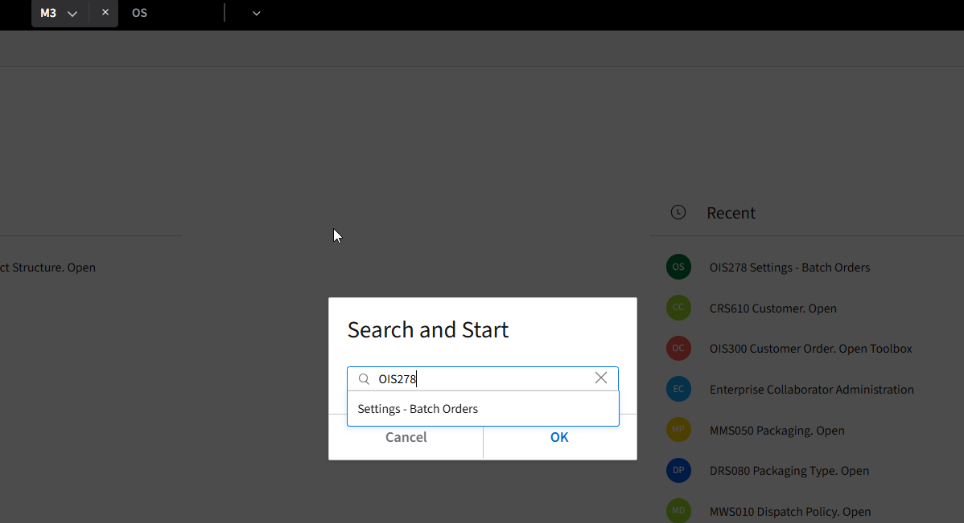

3. COPY ANY EXISTING EDI CUSTOMER IN OIS278
4. TO COPY ANY EXISTING EDI CUSTOMER, HIGHLIGHT ONE CUSTOMER, RIGHT CLICK AND COPY
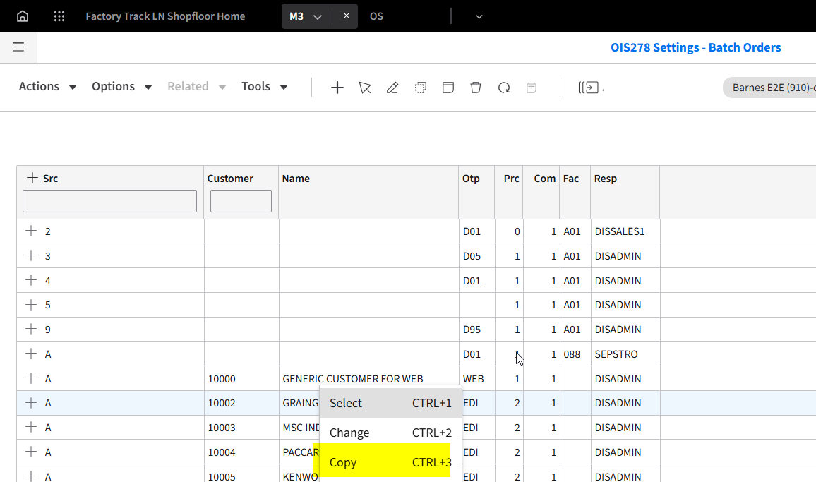

5. INPUT THE NEW CUSTOMER NUMBER

6. CLICK ON NEXT
7. CHECK THE DETAIL IN OIS278/E. ONCE ALL SET UP IS DONE, CLICK ON NEXT OR CLOSE THE PROGRAM. THE NEW EDI CUSTOMER SHOULD BE INCLUDED IN THE PROGRAM. PLEASE SEE SCREENSHOT FOR DETAILS/FIELD MEANINGS. HIGHLIGHTED ROWS ARE RELEVANT FOR ASR.

SET UP EDI AS TAX EXEMPT
1. THE SET UP FOR TAX EXEMPTION FOR EDI CUSTOMERS ARE IN TXS050
2. TO GO TO TXS050, HIT CTRL+R IN M3 AND TYPE IN TXS050
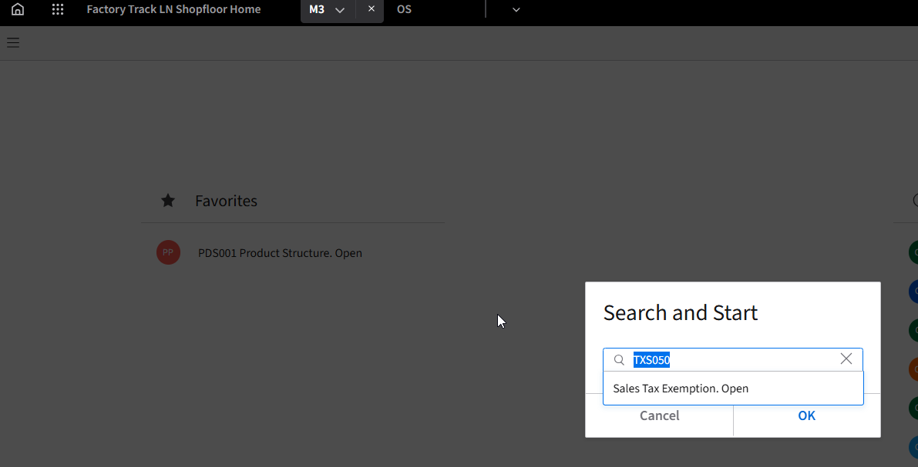

3. TAX CD REPLACEMENT FIELD SHOULD BE 1 - TAX CODE - SALES AND PRIORITY SET TO 2

4. HIGHLIGHT ONE ROW, RIGHT CLICK AND COPY

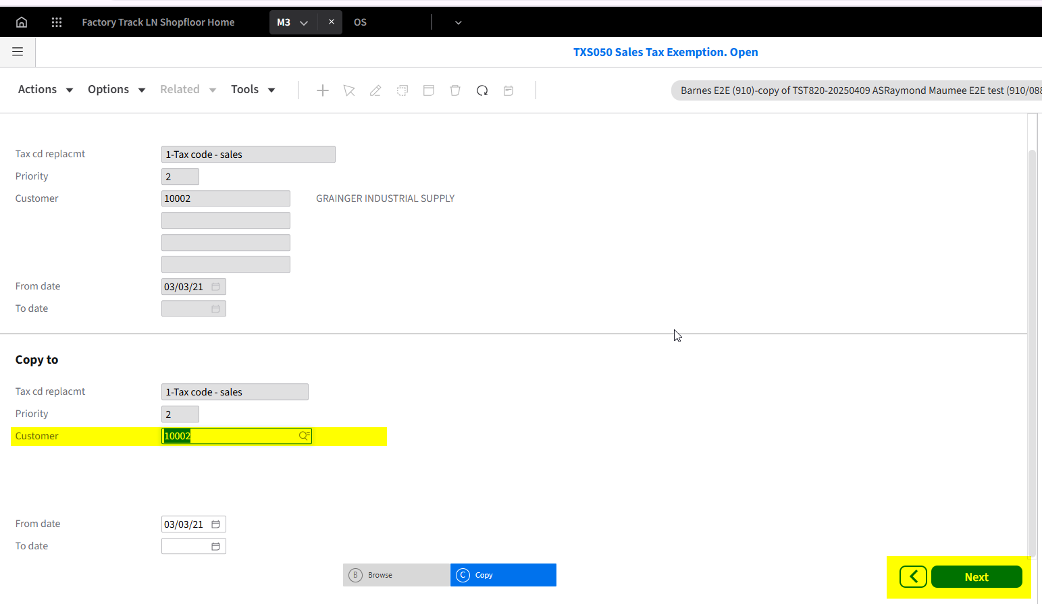

5. ENTER THE NEW CUSTOMER NUMBER, AND CLICK ON NEXT

SET UP TRANSLATION TABLES
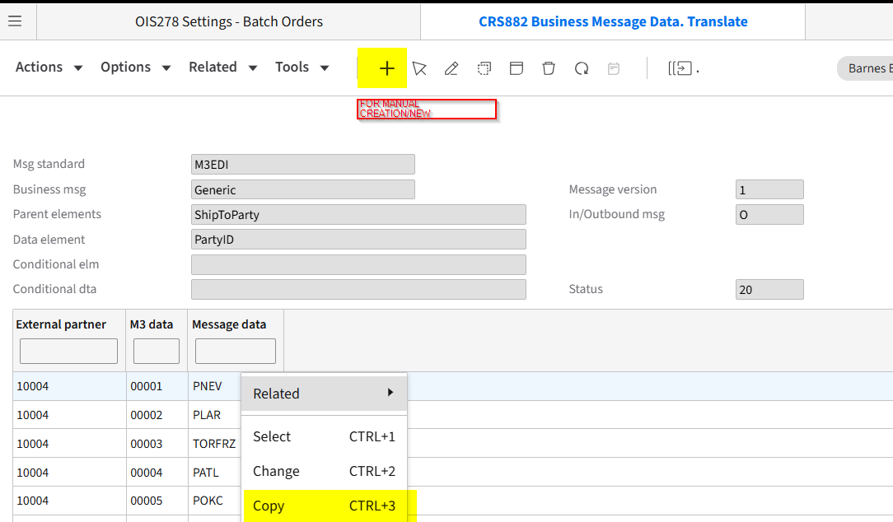
THE LIST OF INBOUND TRANSLATION TABLE USED BY SPS ARE AS FOLLOWS:
MESSAGE STANDARD | VERSION | MESSAGE | I/O | PARENT ELEMENTS | DATA ELEMENT | DESCRIPTION | USED BY OPTIMIZELY
ION | 1 | Generic | I | Generic | IncotermsCode | this translates the incoterms from SPS to M3 incoterms/delivery terms maintained in CRS065 | NO
ION | 1 | Generic | I | Generic | TransportationMethodCode | this translates the transporation method codes from SPS to M3 delivery methods maintained in CRS070 | NO
ION | 1 | Generic | I | Generic | UOMCode | this translates the UOM codes from SPS to M3 UOMs maintained in CRS050 | NO
ION | 1 | Optimizely | I | ShipTax | TaxCode | determines the tax code that is attached to OPT01 during order entry | YES
M3EDI | 1 | Generic | I | ShipToParty | PartyID | translates the ship to party IDs from SPS to M3 Address IDs maintained in OIS002 | NO

THE LIST OF OUTBOUND TRANSLATION TABLE USED BY SPS ARE AS FOLLOWS:
MESSAGE STANDARD | VERSION | MESSAGE | I/O | PARENT ELEMENTS | DATA ELEMENT | DESCRIPTION | USED BY OPTIMIZELY
ION | 1 | Generic | O | Generic | IncotermsCode | this translates the delivery terms in M3 to SPS incoterm codes | NO
ION | 1 | Generic | O | Generic | UOMCode | this translates the base unit of measure in M3 to SPS unit of measures sent from the EDI850 | NO
M3EDI | 1 | Generic | O | EDI855 | ACKCODE | this translates the M3 order statuses to SPS acknowledgement codes | NO
M3EDI | 1 | Generic | O | Generic | TransportationMethod | this translates the delivery method codes from M3 to SPS transporation method codes | NO
M3EDI | 1 | Generic | O | ShipToParty | PartyID | translates the address IDs from M3 to SPS ship to party IDs sent from EDI 850 | NO

ELEMENTS OF A TRANSLATION TABLE
M3 FIELD | PURPOSE
EXTERNAL PARTNER | REFERS TO THE CUSTOMER NUMBER
M3 DATA | REFERS TO THE M3 VALUE
MESSAGE DATA | REFERS TO THE EXTERNAL (SPS VALUE)

CONSIDERATIONS ON MAINTENANCE
TRANSLATION | I/O | COMMENTS
UOM CODE | O | NEEDS TO ALWAYS HAVE AN EXTERNAL PARTNER
TransportationMethod | O | GRAINGER NEEDS TO HAVE AN EXTERNAL PARTNER AND THEIR MESSAGE DATA IS A CODE THAT REFERS TO THE TRANSPORTATION METHOD CODE

1. TO MAINTAIN TRANSLATIONS, GO TO CRS881
2. FIND THE TRANSLATION METHOD NEEDED TO BE MAINTAINED, RIGHT CLICK>RELATED>TRANSLATE

3. MANUALLY MAINTAIN THE DATA, OR RIGHT CLICK > COPY ANY ENTRY FOR EASY ENTRY

